Blank -Agency-Scorecard
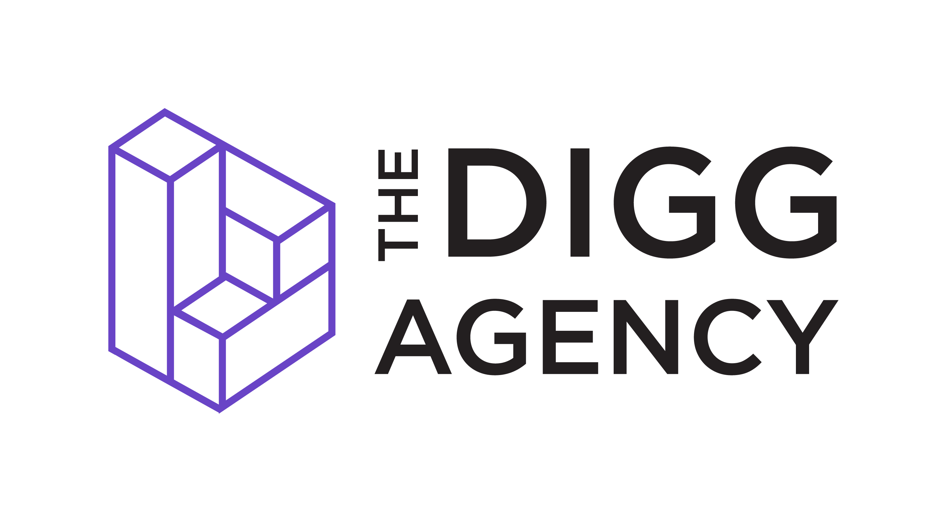 |  | Agency Scorecard A simple scorecard to help you and other key stakeholders rate an agency across similar factors

 |  | Capabilities Scoring for [enter job title here]
 | Agencies will always serve a critical role in your scalable team. Choosing the right agency should be based on criteria that are relevant to the project and your organization. I recommend creating a standardized scorecard to use when evaluating agencies. Below is a typical scorecard I use that | Category | Agency 1 Name | Agency 2 Name | Agency 3 Name | Agency 4 Name
 |  | Value for Investment | 0
 |  | Cultural Fit |  | 3
 |  | Industry Experience | 1
 |  | [Enter Capabilities 1] | 3
 | Scoring Guide 1- Very low 2 - Low 3 - Average 4 - High 5 - Very High | [Enter Capabilities 2]
 |  | [Enter Capabilities 3]
 |  | System & Software Alignment
 |  | Total Scoring | 4 | 3 | 0 | 0

